Sheet1
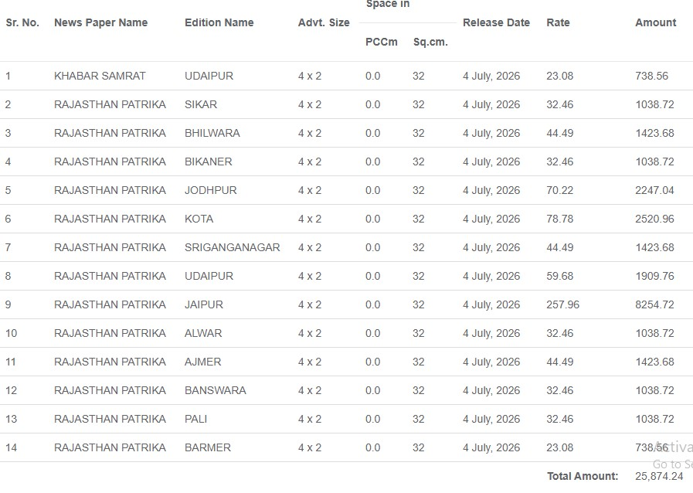
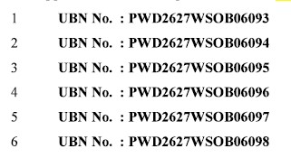
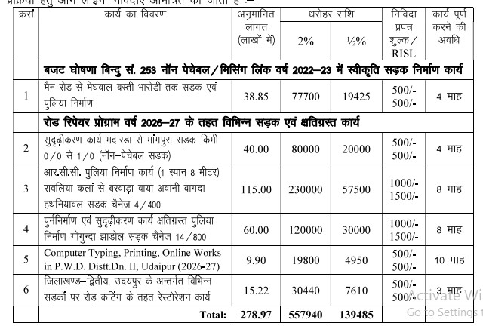
NIT NO-7 / 26-27 STATEMENT OF EARNEST MONEY AND OTHER FEES DESOPSIT
Sno | GRN No | Challan No | Challan Date | Vendor | HeadCode | Amount
WORK S.NO.1 TOTAL PARTICIPANTS - ONE
1 | 126623182 | 24663348 | 2026-10-07 | MAESTRO CONSTRUCTIONS | RISL Comm: Not to be included | 500.00
 |  |  |  |  | 0075-00-800-52-01 | 500.00
 |  |  |  |  | 8443-00-108-00-00 | 19,425.00
WORK S.NO. 2 TOTAL PARTICIPANTS - ONE
1 | 126624681 | 24699368 | 2026-10-07 | SKT INFRA PROJECTS | RISL Comm: Not to be included | 500.00
 |  |  |  |  | 0075-00-800-52-01 | 500.00
 |  |  |  |  | 8443-00-108-00-00 | 20,000.00
WORK S.NO. 3 TOTAL PARTICIPANTS - THREE
1 | 126638266 | 24685003 | 2026-10-07 | RUDRAM ENTERPRISES | RISL Comm: Not to be included | 1,500.00
 |  |  |  |  | 0075-00-800-52-01 | 1,000.00
 |  |  |  |  | 8443-00-108-00-00 | 57,500.00
2 | 126627187 | 24676247 | 2026-10-07 | MAESTRO CONSTRUCTIONS | RISL Comm: Not to be included | 1,500.00
 |  |  |  |  | 0075-00-800-52-01 | 1,000.00
 |  |  |  |  | 8443-00-108-00-00 | 57,500.00
3 | 126633228 | 24734656 | 2026-10-07 | MadhavEngineeringServices PrivateLimited | RISL Comm: Not to be included | 2,000.00
 |  |  |  |  | 0075-00-800-52-01 | 1,000.00
 |  |  |  |  | 8443-00-108-00-00 | 2,30,000.00
WORK S.NO. 4 TOTAL PARTICIPANTS - FIVE
1 | 126639707 | 24696562 | 2026-10-07 | RUDRAM ENTERPRISES | RISL Comm: Not to be included | 1,500.00
 |  |  |  |  | 0075-00-800-52-01 | 1,000.00
 |  |  |  |  | 8443-00-108-00-00 | 30,000.00
2 | 126572289 | 24605730 | 2026-09-07 | MATESHWARI CONSTRUCTION | RISL Comm: Not to be included | 1,500.00
 |  |  |  |  | 0075-00-800-52-01 | 1,000.00
 |  |  |  |  | 8443-00-108-00-00 | 30,000.00
3 | 126589227 | 24619789 | 2026-09-07 | royal infradevelopers | RISL Comm: Not to be included | 1,500.00
 |  |  |  |  | 0075-00-800-52-01 | 30,000.00
 |  |  |  |  | 8443-00-108-00-00 | 1,000.00
4 | 126553641 | 24594670 | 2026-09-07 | rl choubisa | RISL Comm: Not to be included | 1,500.00
 |  |  |  |  | 0075-00-800-52-01 | 1,000.00
 |  |  |  |  | 8443-00-108-00-00 | 30,000.00
5 | 126632054 | 24694657 | 2026-10-07 | PALIWAL INFRAPROJECTS | RISL Comm: Not to be included | 1,500.00
 |  |  |  |  | 0075-00-800-52-01 | 1,000.00
 |  |  |  |  | 8443-00-108-00-00 | 30,000.00
WORK S.NO. 5 TOTAL PARTICIPANTS - TWO
1 | 126552493 | 24601390 | 2026-09-07 | Someshwar InfraProjects | RISL Comm: Not to be included | 500.00
 |  |  |  |  | 0075-00-800-52-01 | 500.00
 |  |  |  |  | 8443-00-108-00-00 | 19,800.00
2 | 126552822 | 24614112 | 2026-09-07 | Vikram Ranawat | RISL Comm: Not to be included | 500.00
 |  |  |  |  | 0075-00-800-52-01 | 500.00
 |  |  |  |  | 8443-00-108-00-00 | 4,950.00
WORK S.NO. 6 TOTAL PARTICIPANTS - ONE
1 | 126631928 | 24669493 | 2026-10-07 | MAESTRO CONSTRUCTIONS | RISL Comm: Not to be included | 500.00
 |  |  |  |  | 0075-00-800-52-01 | 500.00
 |  |  |  |  | 8443-00-108-00-00 | 7,610.00

EXCERPTS OF DIPR WEB PUBLICATION
RO No. | Release Date | NIT No | Form Issuing Date | Form Submission Date | Tender Opening Date
11632 | 4 July, 2026 | D-463 | 3 July, 2026 | 3 July, 2026 | 3 July, 2026

Release Details RO Number : 11632
Sr. No. | News Paper Name | Edition Name | Advt. Size | Sq.cm. | Release Date | Rate | Amount
1 | KHABAR SAMRAT | UDAIPUR | 4 x 2 | 32 | 4 July, 2026 | 23.08 | 738.56
2 | RAJASTHAN PATRIKA | SIKAR | 4 x 2 | 32 | 4 July, 2026 | 32.46 | 1038.72
3 | RAJASTHAN PATRIKA | BHILWARA | 4 x 2 | 32 | 4 July, 2026 | 44.49 | 1423.68
4 | RAJASTHAN PATRIKA | BIKANER | 4 x 2 | 32 | 4 July, 2026 | 32.46 | 1038.72
5 | RAJASTHAN PATRIKA | JODHPUR | 4 x 2 | 32 | 4 July, 2026 | 70.22 | 2247.04
6 | RAJASTHAN PATRIKA | KOTA | 4 x 2 | 32 | 4 July, 2026 | 78.78 | 2520.96
7 | RAJASTHAN PATRIKA | SRIGANGANAGAR | 4 x 2 | 32 | 4 July, 2026 | 44.49 | 1423.68
8 | RAJASTHAN PATRIKA | UDAIPUR | 4 x 2 | 32 | 4 July, 2026 | 59.68 | 1909.76
9 | RAJASTHAN PATRIKA | JAIPUR | 4 x 2 | 32 | 4 July, 2026 | 257.96 | 8254.72
10 | RAJASTHAN PATRIKA | ALWAR | 4 x 2 | 32 | 4 July, 2026 | 32.46 | 1038.72
11 | RAJASTHAN PATRIKA | AJMER | 4 x 2 | 32 | 4 July, 2026 | 44.49 | 1423.68
12 | RAJASTHAN PATRIKA | BANSWARA | 4 x 2 | 32 | 4 July, 2026 | 32.46 | 1038.72
13 | RAJASTHAN PATRIKA | PALI | 4 x 2 | 32 | 4 July, 2026 | 32.46 | 1038.72
14 | RAJASTHAN PATRIKA | BARMER | 4 x 2 | 32 | 4 July, 2026 | 23.08 | 738.56
 |  |  |  |  | Total Amount: |  | 25,874.24

